Sheet1
Teams | CSK | DC | GT | LSG | KKR | MI | PBKS | RR | RCB | SRH
Initial Purse | 55 | 73 | 69 | 69 | 51 | 45 | 110.5 | 41 | 83 | 45
1 | Ruturaj Gaikwad (18) | KL Rahul (14) | Jos Buttler (15.75) | Aiden Markram (2) | Quinton de Kock (3.6) | Rohit Sharma (16.30) | Marcus Stoinis (11) | Sanju Samson (18) | Virat Kohli (21) | Travis Head (14)
2 | Devon Conway (6.25) | Jake Fraser-McGurk (9) | Shubman Gill (16.5) | Ayush Badoni (4) | Sunil Narine (12) | Ryan Rickelton (1) | Prabhsimran Singh (4) | Yashasvi Jaiswal (18) | Phil Salt (11.50) | Abhishek Sharma (14)
3 | Rahul Tripathi (3.4) | Abishek Porel (4) | B Sai Sudharshan (8.5) | Nicholas Pooran (21) | Venkatesh Iyer (23.75) | Tilak Varma (8) | Shreyas Iyer (26.75) | Nitish Rana (4.2) | Rajat Patidar (11) | Nitish Kumar Reddy (6)
4 | MS Dhoni (4) | Harry Brook (6.25) | Kumar Kushagra (0.65) | Rishabh Pant (27) | Rinku Singh (13) | Suryakumar Yadav (16.35) | Glenn Maxwell (4.2) | Dhruv Jurel (14) | Liam Livingstone (8.75) | Ishan Kishan (11.25)
5 | Shivam Dube (12) | Tristan Stubbs (10) | Shahrukh Khan (4) - All | David Miller (7.5) | Andre Russell (12) | Naman Dhir (5.25) | Nehal Wadhera (4.2) | Riyan Parag (14) | Jitesh Sharma (11) | Heinrich Klaasen (23)
6 | Ravindra Jadeja (18) | Ashutosh Sharma (3.8) | Rahul Tewatia (4) | Mitchell Marsh (3.4) | Ramandeep Singh (4) | Hardik Pandya (16.35) | Shashank Singh (5.5) | Shimron Hetmyer (11) | Krunal Pandya (5.75) | Abhinav Manohar (3.2)
7 | Ravichandran Ashwin (9.75) | Axar Patel (16.5) | Rashid Khan (18) | Abdul Samad (4.2) | Angkrish Raghuvanshi (3) | Deepak Chahar (9.25) | Marco Jansen (7) | Wanindu Hasaranga (5.25) | Tim David (3) | Pat Cummins (18)
8 | Noor Ahmed (10) | Kuldeep Yadav (13.25) | Washington Sundar (3.2) | Ravi Bishnoi (11) | Harshit Rana (4) | Allah Ghazanfar (4.8) | Harpreet Brar (1.5) | Akash Madhwal (1.2) - F B | Suyash Sharma (2.6) | Harshal Patel (8)
9 | Sam Curran (2.4) | Mitchell Starc (11.75) | Gerald Coetzee (2.4) | Akash Deep (8) | Anrich Nortje (6.5) | Karn Sharma (0.5) | Arshdeep Singh(18) | Maheesh Theekshna (4.4) | Bhuvneshwar Kumar (10.75) | Rahul Chahar (3.2)
10 | Khaleel Ahmed (4.8) | T Natarajan (10.75) | Kagiso Rabada (10.75) | Mayank Yadav (11) | Varun Chakravarthy (12) | Jasprit Bumrah (18) | Yuzvendra Chahal (18) | Sandeep Sharma (4) | Yash Dayal (5) | Md. Shami (10)
11 | Matheesha Pathirana (13) - M | Mukesh Kumar (8) | Md. Siraj (12.25) | Avesh Khan (9.75) | Vaibhav Arora (1.8) | Trent Boult (12.5) | Lockie Ferguson (2) | Jofra Archer (12.5) | Josh Hazlewood (12.5) | Adam Zampa (2.4)
12 | Vijay Shankar (1.2) | Samir Rizwi (0.95) | Anuj Rawat (0.3) | Mohsin Khan (4) | Manish Pandey (0.75) | Will Jacks (5.25) | Priyansh Arya(3.8) | Shubham Dubey (0.8) | Rasikh Salam (6) | Atharva Taide (0.3)
13 | Rachin Ravindra (4) | Mohit Sharma (2.2) | Prasidh Krishna (9.5) | M Siddharth (0.75) | Rahmanullah Gurbaz (2) | Mitchell Santner (2) | Josh Inglis (2.6) | Tushar Deshpande (6.5) | Devdutt Padikkal (2) | Simarjeet Singh (1.5)
14 | Anshul Kamboj (3.4) | Karun Nair (0.5) | Mahipal Lomror (1.7) | Shahbaz Ahmed (2.4) | Rovman Powell (1.5) | Robin Minz (0.65) | VijayKumar Vyshak (1.8) | Kartikeya Singh (0.3) | Swapnil Singh (0.5) - All | Zeeshan Ansari (0.4)
15 | Deepak Hooda (1.7) | Faf du Plessis (2) | Manav Suthar (0.3) | Himmat Singh (0.3) | Mayank Markande (0.3) | Ashwini Kumar (0.3) | Azmatullah Omarzai (2.4) | Yudhvir Singh (0.35) | Nuwan Thushara (1.6) | Jaydev Unadkat (1)
16 | Shaik Rasheed (0.3) | Dushmantha Chameera (0.75) | Nishant Sindhu (0.3) | Digvesh Singh (0.3) | Spencer Johnson (2.8) | Reece Topley (0.75) | Vishnu Vinod (0.95) - Bat E | Fazalhaq Farooqi (2) | Manoj Bhandage (0.3) | Brydan Carse (1)
17 | Mukesh Choudhary (0.3) | Vipraj Nigam (0.5) | Arshad Khan (1.30) | Shamar Joseph (0.75) - RTM | Luvnith Sisodia (0.3) | Shrijith Krishnan (0.3) | Harnoor Pannu (0.3) | Vaibhav Suryavanshi (1.1) | Jacob Bethell (2.6) | Kamindu Mendis (0.75)
18 | Gurjanpeet Singh (2.2) - S | Darshan Nalkande (0.3) | Gurnoor Brar (1.3) | Aryan Juyal (0.3) | Ajinkya Rahane (1.5) | Raj Angad Bawa (0.3) | Kuldeep Sen (0.8) | Kwena Maphaka (1.5) | Romario Shepherd (1.5) | Aniket Verma (0.3)
19 | Nathan Ellis (2) | Donovan Ferrerira (0.75) | Sherfane Rutherford (2.6) | Akash Singh (0.3) | Anukul Roy (0.4) | Satyanarayana Raju (0.3) | Yash Thakur (1.6) | Kunal Rathore (0.3) | Swastik Chikara (0.3) - Bat PWO | Eshan Malinga (1.2)
20 | Jamie Overton (1.5) | Ajay Mandal (0.3) | Sai Kishore (2) | Prince Yadav (0.3) - F B | Moeen Ali (2) | Bevon Jacobs (0.3) | Aaron Hardie (1.25) | Ashok Sharma (0.3) | Lungi Ngidi (1) | Sachin Baby (0.3)
21 | Kamlesh Nagarkoti (0.3) | Manvanth Kumar (0.3) | Ishant Sharma (0.75) | Yuvraj Chaudhary (0.3) | Umran Malik (0.75) | Arjun Tendulkar (0.3) | Musheer Khan (0.3) |  | Abhinandan Singh (0.3)
22 | Ramakrishna Ghosh (0.3) | Tripurana Vijay (0.3) | Jayant Yadav (0.75) | Rajvardharn Hangargekar (0.3) |  | Lizaad Williams (0.75) | Suryansh Shedge (0.3) - All PWO Sw |  | Mohit Rathee (0.3) - PWO, All
23 | Shreyas Gopal (0.3) | Madhav Tiwari (0.4) | Glenn Phillips (2) | Arshin Kulkarni (0.3) |  | Vignesh Puthur (0.3) | Xavier Bartlett (0.8)
24 | Vansh Bedi (0.55) |  | Karim Janat (0.75) | Matthew Breetzke (0.75) |  |  | Pyla Avinash (0.3)
25 | Andre Siddarth (0.3) |  | Kulwant Khejroliya (0.3) |  |  |  | Pravin Dubey (0.3)
Remaining Purse | 0.05 | 0.2 | 0.15 | 0.1 | 0.05 | 0.2 | 0.35 | 0.3 | 0.75 | 0.2
RTM Available | 1 | 0 | 0 | 0 | 0 | 0 | 3 | 0 | 2 | 1

 | Vansh, Priyansh, Badoni | Dushmantha Chameera |  | M Siddharth, Gurjanpeet Singh, Swapnil Singh, Sharukh |  |  | Priyansh Arya, Badoni | Akash Madhwal | Abhinandan, Bhuvi, Mohsin, Samir Rizwi
 | Noor Ahmed | Manvanth Kumar |  | Prince Yadav |  |  | Aaron Hardie - Bowling |  | Mohit Rathee
 | Matheesha Pathirana |  |  |  |  |  | Aaron Hardie - Batting |  | Mohit Rathee
 | Nathan Ellis |  |  |  |  |  | Vyshak |  | Manoj Bhandage
 |  |  |  |  |  |  | Suryansh Shedge |  | Jacob Bethell - Opener and Middle Order
 |  |  |  |  |  |  | Josh Inglis |  | Swastik Chikara
 |  |  |  |  |  |  | Azmat Omarzai
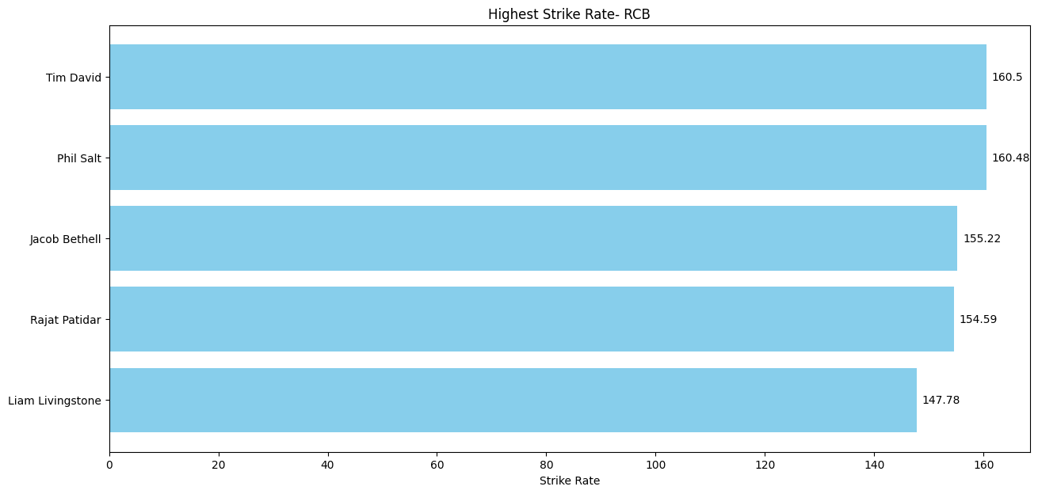
 |  |  |  |  |  |  | Azmat Omarzai - Bowling

 | S - Slow Ball |  |  | B - Bowler
 | All - All-rounder |  |  | F - Fast
 | M - Malinga Action |  |  | PWO - Player to Watch Out for
 | Sw - Swing
 | E - Experienced

